central_tendency
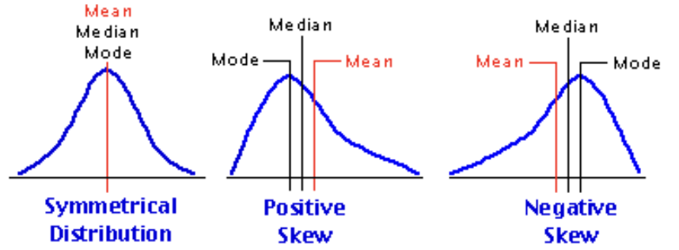
CENTRAL TENDENCY
Measures of Central tendency - Mean, Median, Mode
They tell u what is going in the center of data - they take u to center of data.

MEAN
D1 | D2 | D3
8 | 0 | 9
9 | 5 | 9
10 | 10 | 9
11 | 15 | 9
12 | 20 | 14
mean = | mean = | mean =
10 | 10 | 10

These 3 datasets have same mean, however these datasets are different ?
Can mean capture that difference ? NO

MEDIAN
Median - sort the data and then look at middle value
with median u can say half of people r above this value i.e. median & half below. With mean u can't say this.
if odd number of values like 6, then need to take average of 3rd and 4th value to calculate median.

Note - You should look at whatever numbers are thrown at you with some sort of caution & critical thinking.
Scenario 1 | Scenario 2
100 | 80
150 | 90
200 | 1000
mean = | mean =
150 | 390
but by seeing data we know for 2/3rd of people income has decreased. How do u capture this ? - Median
median = | median =
150 | 90
hence median gives better estimate in this scenario

if u have 1000 people in room & 1 of them is mukesh ambani. U find out avg of all those people
so it can happen that avg value is more than all those 999 people. Hence in such cases median better.

mean has a possibility to get affected by outliers (mukesh ambani here) while median does not.
median does not take into account outliers at all, while mean is a function of all the data points.

Note - in large data we can't visualize, so how we know mean or median ?
if ur data is symetrical, then mean & median should be identical. If ur data has lot of outliers then mean might not be a good representative.

MODE
most frequently occuring value

SKEWNESS

dispersion
DISPERSION
Measures of Dispersion - Range, Variance
They see what is spread in your data

D1 | D2 | D3
8 | 0 | 9
9 | 5 | 9
10 | 10 | 9
11 | 15 | 9
12 | 20 | 14
Here most dispersed data is D2. How to measure ?

range = | range = | range =
(12-8) = 4 | (20-0) = 20 | (14-9) = 5

Limitation of range - It is not considering all the data points (whole dataset) just maximum and minimum points.

D1 | D2
9 | 0
9 | 2
9 | 4
9 | 8
9 | 12
9 | 20
9 | 40
9 | 50
9 | 80
100 | 85
range = | range =
91 | 85

In D1 all are 9's & just one 100 while in D2 we have lot of different points so D2 should have more dispersion but range says D1 has more dispersion.
Any other measure that tries to justify that D2 has more variation ? - This is VARIANCE

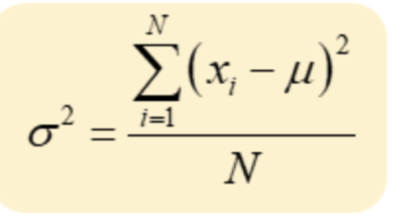
Why do we use square in variance formula ?
D2 | variance
0 | 0-10 = (-10)
5 | 5-10 = (-5)
10 | 10-10 = (0)
15 | 15-10 = (5)
20 | 20-10=(10)
mean = 10 | Net = 0
** Hence if we do not square the numbers in variance formula then these will cancel out & result will be 0 but we need measure of dispersion.

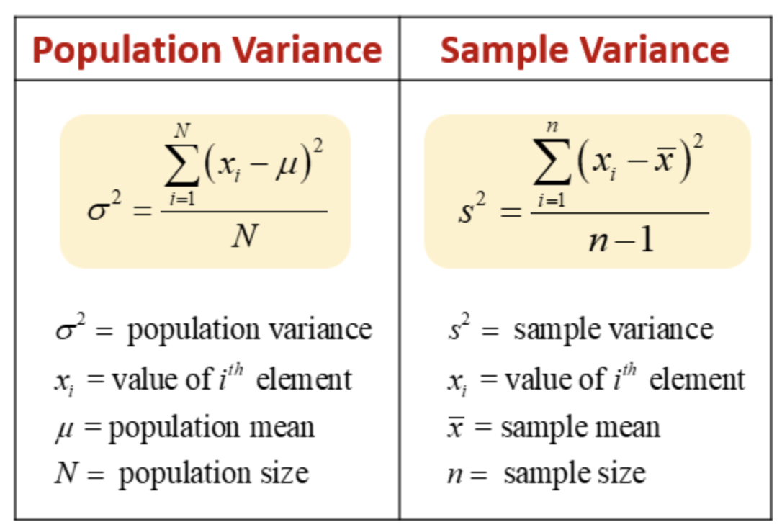

Why do we divide by n in variance formula ?

e.g. we try to compare income inequality in goa and up
u can compare inequality by one of measures of dispersion - eg variance.
Goa | UP
1 | 1
2 | 2
3 | 3
- | -
- | -
10 lakh | -
 | -
 | -
 | -
 | 20 crore or 20*100 lakh

When u apply variance formula even if income inequality is less in UP but it will not show because of size difference.
numerator will always be greater for UP if not divide by n as all +ve terms getting added in numerator.
So if u take larger number of terms, by design it will happen that numerator will be larger for larger number of terms.

Chebyschev Inequality for Population data - Inferences on variance can be extended by this inequality.
Inferences of variance can be extended by this inequality whichwould make stronger statement saying what % of points within given range
Proportion of observation lying b/w [m - k𝝈, m + k𝝈] is atleast (1-1/k^2) for any given dataset (of any distrubution)
when k = 2
we can say that proportion of observation lying b/w value 600 and value 1400 is atleast 3/4th or 75%.
Just by putting summary statistic in this inequality u can make a remark about larger set of data, even without knowing raw data values.
** Note u can pick k of your choice & get inference accordingly.
k will decide how broad interval to be eg k=2 means 75% data lies within, k=3 means 89% data within etc
This inequality states ATLEAST so when u have symmetric data it will be more

In Normal / symmetric / bell shaped distribution
[m - 𝝈, m + 𝝈] - 68%
[m - 2𝝈, m + 2𝝈] - 95%
[m - 3𝝈, m + 3𝝈] - 99.7%
** generally outside 3 s.d is called as an outlier but u can define as per ur needs also outliers

By Chebyschev Inequality Proportion of observation lying b/w [m - 2𝝈, m + 2𝝈] is atleast 75%, in normal it is 95%
Chebyschev Inequality is a general result, applies to any type of distribution (not just normal) even if data contains mukesh ambani this inequlity holds true

By looking at Chebyschev Inequality can u tell me interval that will contain atleast 90% of data.
(1-1/k^2 = 0.90) from here we find value of k & then replace k in [m - k𝝈, m + k𝝈] assuming means & s.d. r provided to us

Advantage of Standard deviation that variance does not pocess?
if u do not want to distort original units of measure (like rupee) then s.d. better.
s.d has units same as that of your original data while in variance it will be rupee^2

multiple_ds
Paired datasets are interesting for co-variance & correlation.
For goa and UP income inequality although they r multiple datasets but one observation/person of goa has nothing to do with UP. So not paired although multiple ds.
So to analyse these multiple (but unpaired) ds u compute statistics (average, variance etc) seperately for these.
Even though they might have same records 10 lakh still they r not paired cz they r not related by something similar e.g. linking can be year 2001,2002--2020.
Lets say india & china have a gdp corresponding to year 2001,2002,…. so this will be paired dataset then.

We can individually calculate mean, median, std etc for each dataset maharashtra and goa
However other type of analysis we can explore is how are these GDP's related ? Like when maharashtra GDP goes down, goa GDP also goes down or vice versa?
For measuring this we can use co-variance or co-relation formula's

For GDP in dollar we divide by 80 everything in below table.
GDP in Rs | Maharashtra | Goa |  |  | GDP in $ | Mah | Goa
2001 | 400 | 500 |  |  | 2001 | 5 | 6.25
2002 | 500 | 630 |  |  | 2002 | 6.25 | 7.875
2003 | 600 | 752 |  |  | 2003 | 7.5 | 9.4
2004 | 499 | 621 | Covariance | 22107.16 | 2004 | 6.2375 | 7.7625 | Covariance | 3.45424375
2005 | 800 | 981 | Correlation | 0.99953726903 | 2005 | 10 | 12.2625 | Correlation | 0.99953726903

Limitation of Covarince - highly sensitive about units - as see above although both represent same data one in rs and other in $, if we go by covariance number difficult to interpret
Difficult to interpret as by seeing v large or v small number can't interpret correctly, that relationship is large or how large, so correlation comes into picture.
if 1 more dataset has same type of value range in rs then covariance can make sense, but different units means harder to interpret correctly.
As we can see as data is same, no matter in rs or dollar, still correlation value is same hence overcomes limitation of covariance.
Correlation is standardised, always b/w 1 and -1.

 |  |  |  | rupees^2 / rupees * rupees
 |  |  |  | so correlation is unitless

If both GDP's going up or both going down, we want this co-variance and co-relation number to be +ve
If both GDP's are not related, this co-variance and co-relation should be close to 0.
If one state GDP going up & other's down, we want this co-variance and co-relation number to be -ve

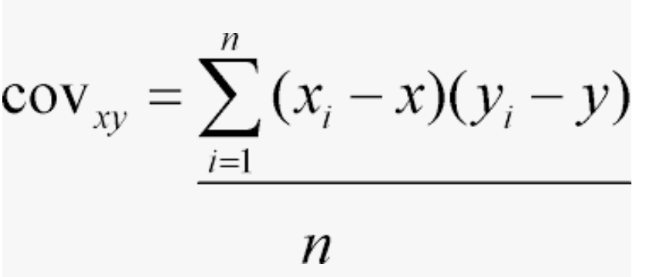
COVARIANCE formula-
Number of values in x and y should not only be equal but paired (n number of pairs) (related, like here both readings belong to same year 2001,2002 etc)

 |  |  |  | Unit of covariance is rs*rs = rs^2

CASES-

Case 1
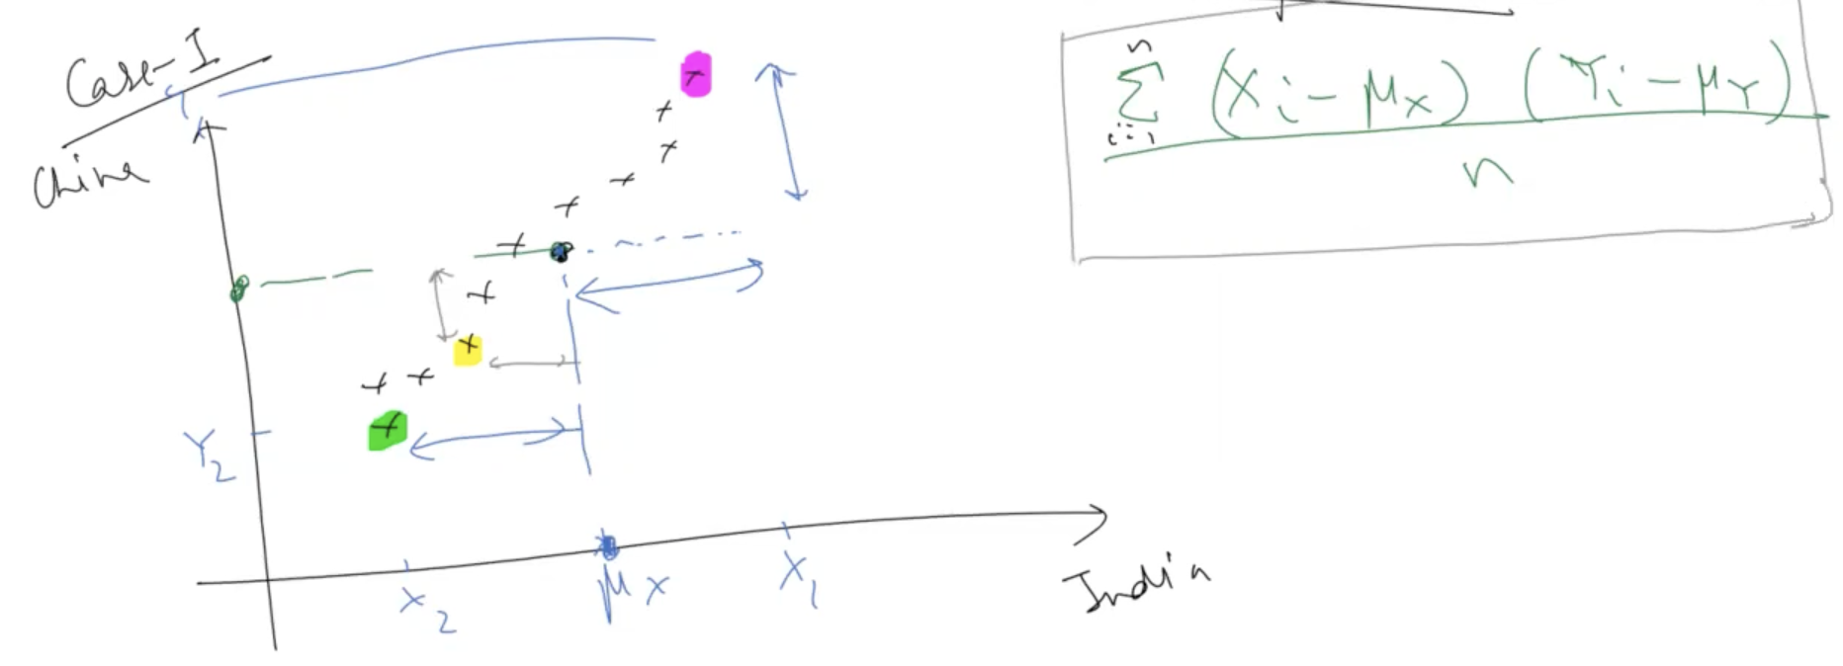

Somewhere in middle of data we assume mean for india mx and china my
Pink point - xi is greater than mean and yi also greater than mean. Hence in numerator +ve multiply +ve = +ve result for pink point - both gdp go up together
Green point - xi is less than mean and yi also less than mean. So in numerator -ve multiply -ve = +ve result for green point - both gdp go down together
that means when both go up or down together, co-variance and co-relation is +ve.
So in both cases +ve relation, so get +ve number in result.

Case 2

Summation meaning - compact way of writing additin of many terms, so I takes values one by one like 1,2,3 … uptil 100

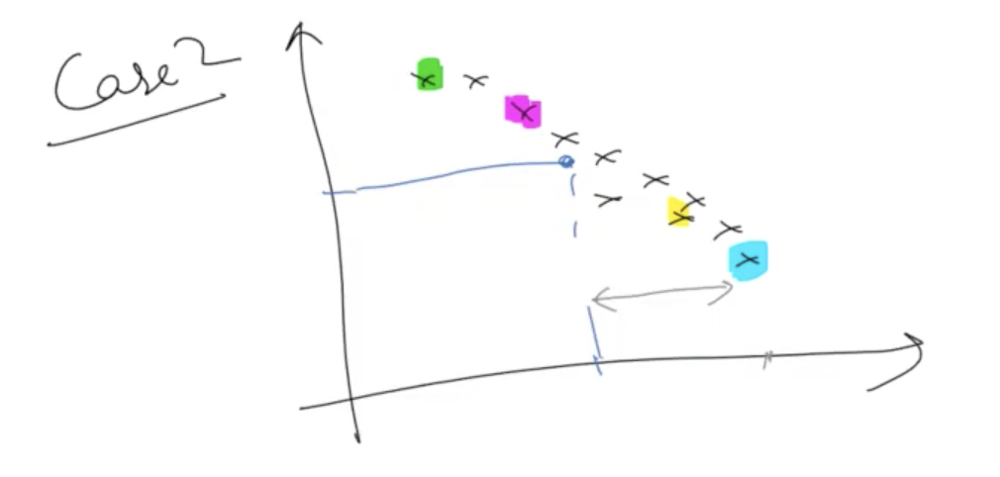

For blue point, xi - mx term is +ve while yi-my is -ve, so +ve multiply -ve the result of covariance is -ve number. Same for yellow pt.
For green point, xi - mx term is -ve while yi-my is +ve, so -ve multiply +ve the result of covariance is -ve number. Same for pink pt.
So when one incerase (e.g.x), other decreasing(e.g. y). All points here contributing same way so all depict -ve relation so this co-variance number is -ve

Note - if +ve relation (when both going up or down) covariance value +ve and when -ve relation (one going up & other down) then -ve correlation value.

Case 3

Randomly scattred case so expectation is covariance near to 0.

Some points (blue) contributing +vely and some points (green) contributing -vely, so overall effects gets cancelled out, so close to 0.

CORRELATION
It measures strength of LINEAR relationship b/w x and y
Covariance & Correlation measure same thing but correlation is unitless and hence easier to interpret
Lies b/w 1 and -1
Closer to +1 greater is strength of +ve linear relationship, closer to -1, greater is strength of -ve linear relationship.

Logarithms
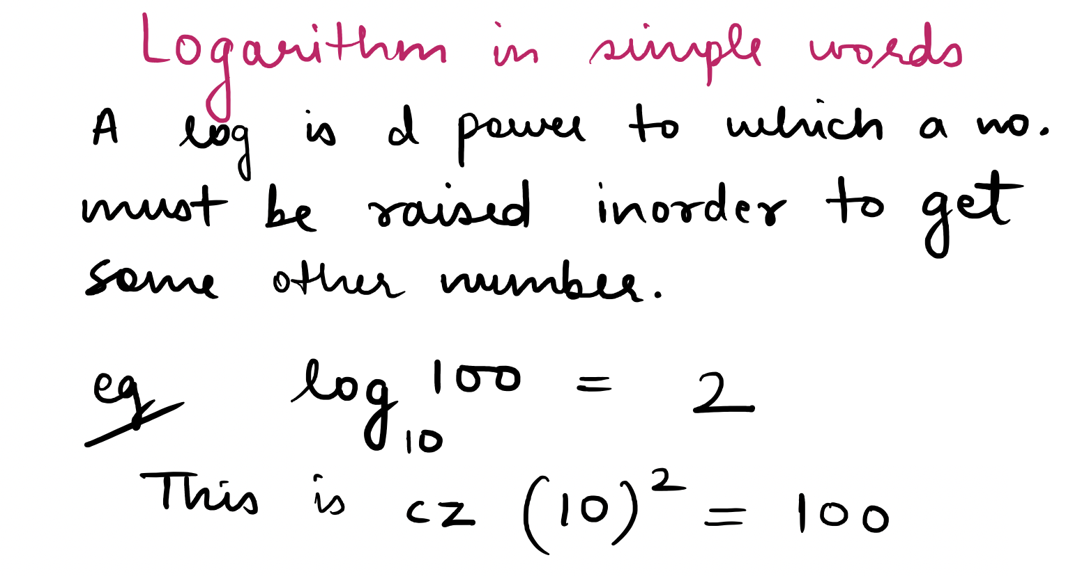

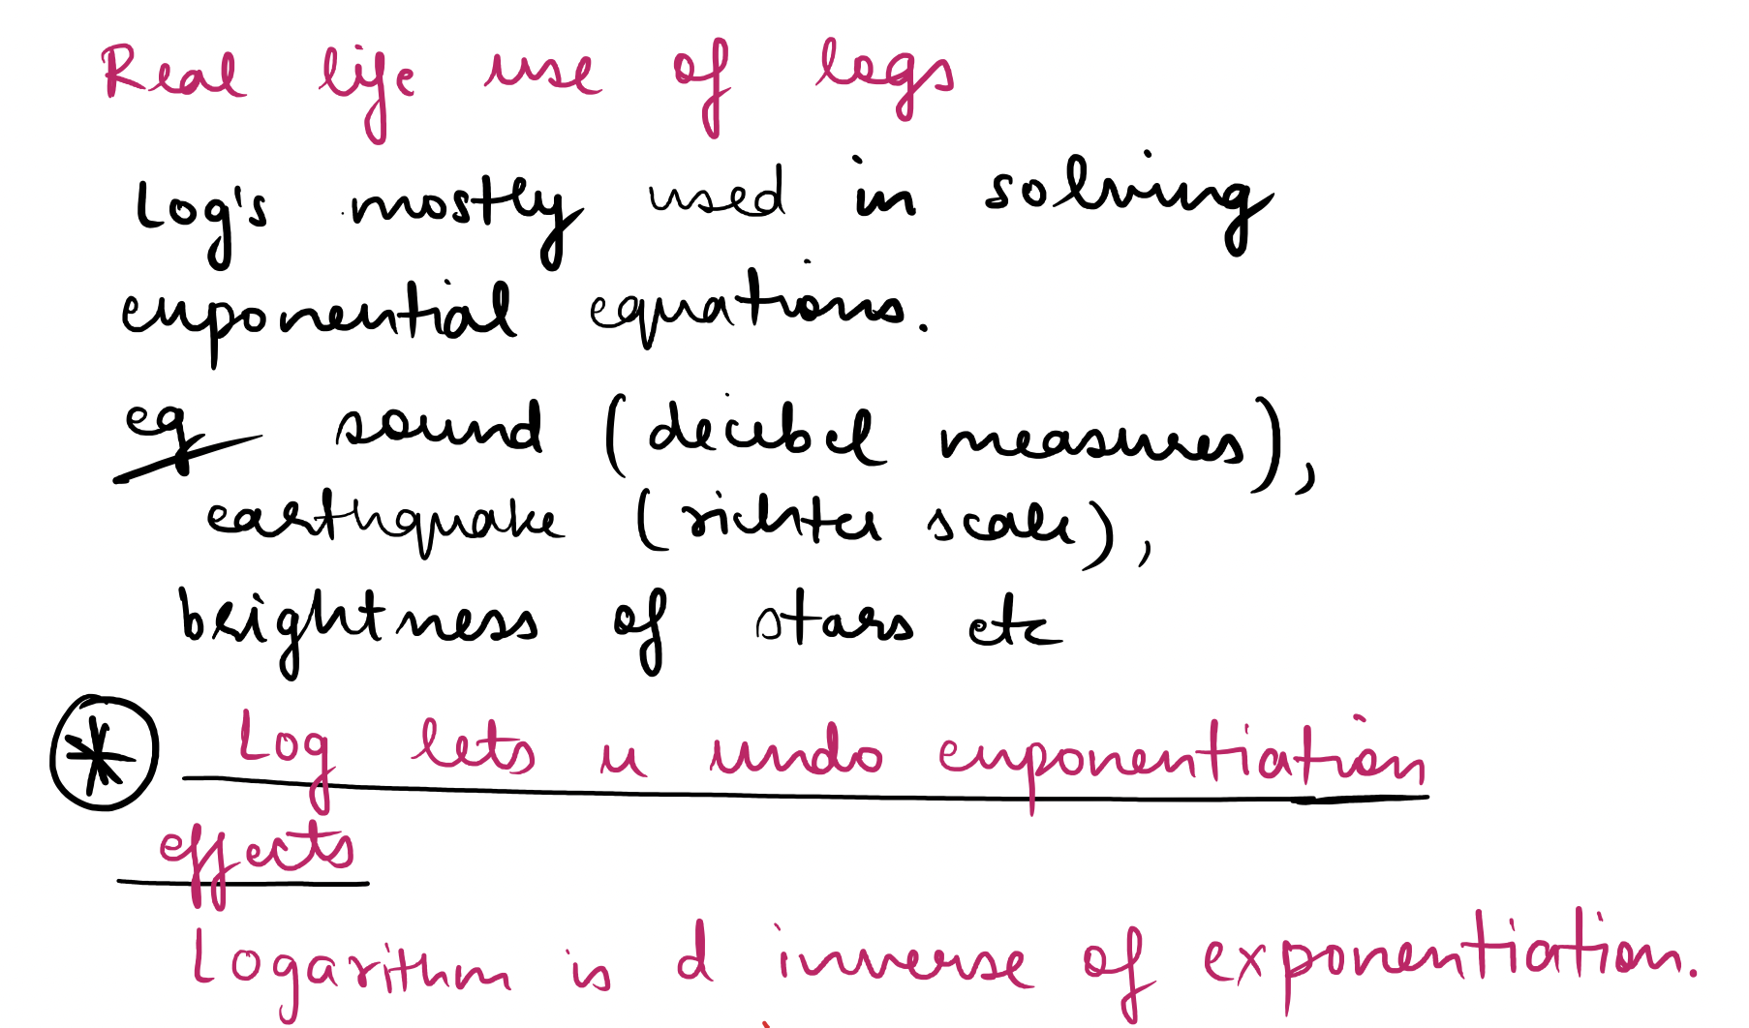

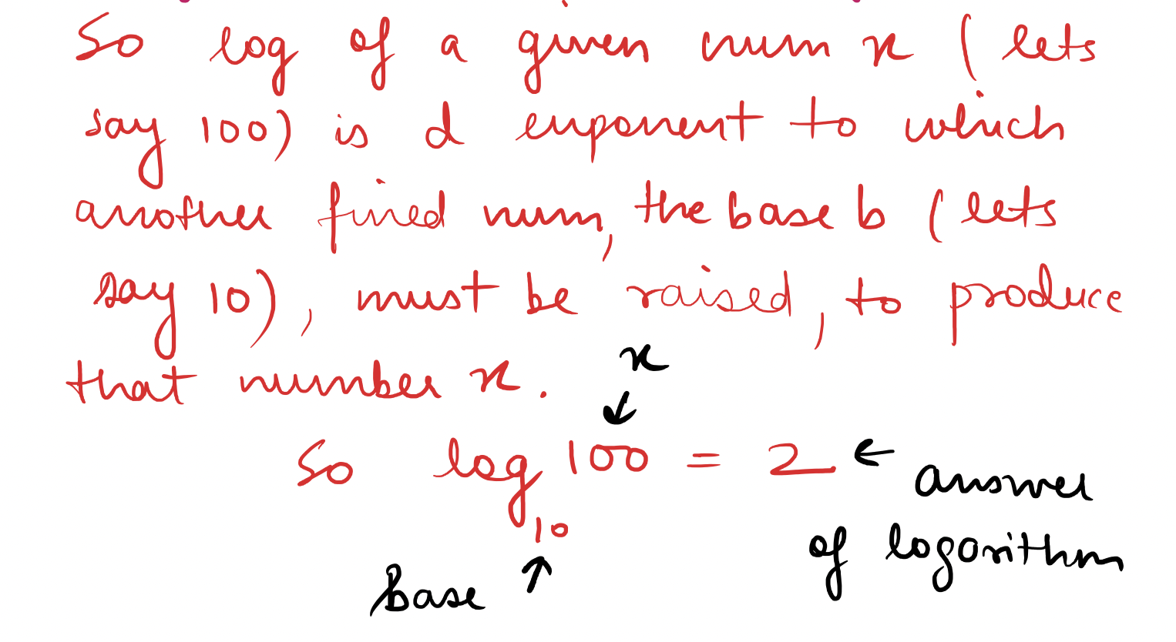

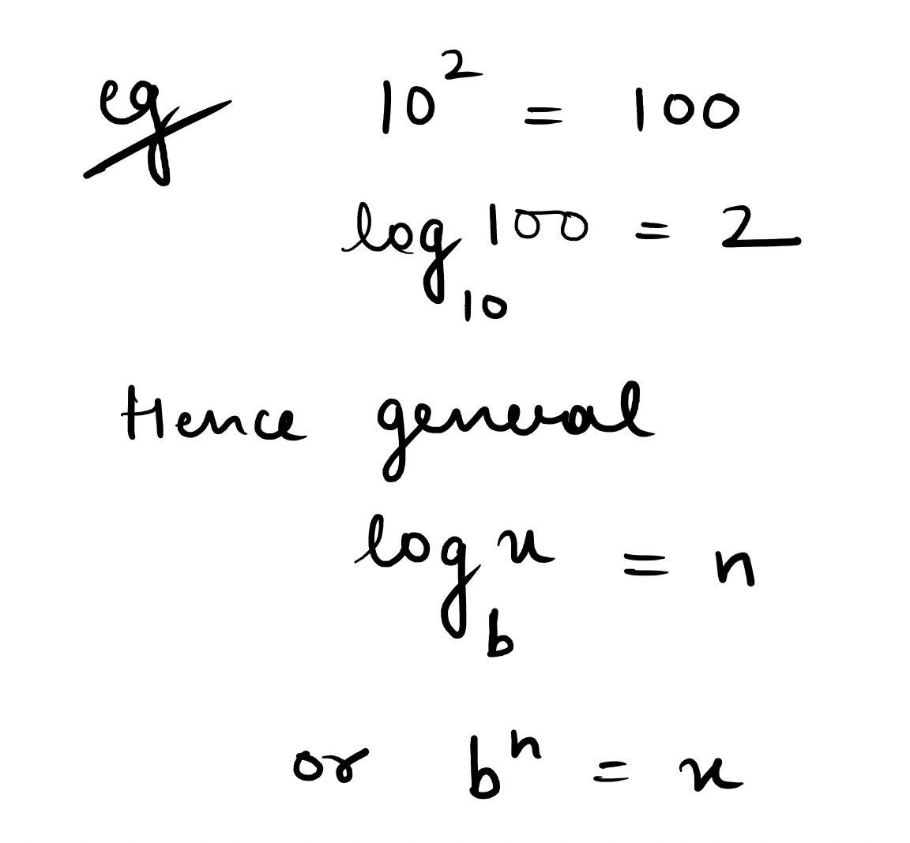

correlation
X and Y (Almost exponential relationship, everything raise to power 2)
1 | 2
2 | 4
3 | 8
4 | 16
5 | 35
6 | 64
8 | 250
7 | 120
9 | 511
10 | 1020
11 | 2040
12 | 4080
13 | 8200
14 | 16000
15 | 32200
 | X | Y | ln(Y) |  |  | Correlation (X and Y)
 | 1 | 2 | 0.693147 |  | 0.999953 | 0.69571914314
 | 2 | 4 | 1.386294 |  |  | Note-
 | 3 | 8 | 2.079442 |  |  | Although we can see x and y
 | 4 | 16 | 2.772589 |  |  | have strong relationship,
 | 5 | 35 | 3.555348 |  |  | y usually 2 raise to x, even
 | 6 | 64 | 4.158883 |  |  | then correlation=0.69 which
 | 8 | 250 | 5.521461 |  |  | is not high cz correlation is
 | 7 | 120 | 4.787492 |  |  | measure of strength of linear
 | 9 | 511 | 6.23637 |  |  | relationship only (here x and y
 | 10 | 1020 | 6.927558 |  |  | do have relationship but not linear
 | 11 | 2040 | 7.620705 |  |  | rather exponential.
 | 12 | 4080 | 8.313852
 | ln(Y)
1 | 0.69314718056
2 | 1.3862943611
3 | 2.0794415417
4 | 2.7725887222
5 | 3.5553480615
6 | 4.1588830834
8 | 5.5214609179
7 | 4.7874917428
9 | 6.2363695902
10 | 6.9275579063
11 | 7.6207050868
12 | 8.3138522674
13 | 9.0118894333
14 | 9.6803440012
15 | 10.379721732
 | 13 | 8200 | 9.011889
 | 14 | 16000 | 9.680344 |  |  | Sometimes it is possible if not
 | 15 | 32200 | 10.37972 |  |  | linear relationship then convert
 |  |  |  |  |  | it to a form so they have linear
 |  |  |  |  |  | relationship.
Thumb Rule |  |  |  |  |  | In this case y is exponential of x
More than 0.80 correlation value considered good |  |  |  |  |  | if we take log of y then the exponential
linear relationship. |  |  |  |  |  | effect would cancel so y will
It depends on context also, e.g. in physics |  |  |  |  |  | be linear to x.
F=m.a, if comes out even .85 it will |  |  |  |  |  | But this convert to linear not
be v low but if like, does coaching |  |  |  | Correlation can give good idea if relationship is linear. |  | possible always.
institute impact marks, there 0.8 |  |  |  | By seeing low value of correlation one might be inclined
correlation should be good enough. |  |  |  | to say x & y r not correlated. Instead of making that
 |  |  |  | strong remark, one can just say x & y r not linearly related.
 |  |  |  | Cz it might be possible there is some relationship but this
 |  |  |  | correlation not able to capture (as this correlation
 |  |  |  | only captures linear relationship).

Anscombe Quartet
 |  | Anscombe's quartet
 | I |  | II |  | III |  | IV
 | x | y | x | y | x | y | x | y
1 | 10 | 8.04 | 10 | 9.14 | 10 | 7.46 | 8 | 6.58
2 | 8 | 6.95 | 8 | 8.14 | 8 | 6.77 | 8 | 5.76
3 | 13 | 7.58 | 13 | 8.74 | 13 | 12.74 | 8 | 7.71
4 | 9 | 8.81 | 9 | 8.77 | 9 | 7.11 | 8 | 8.84
5 | 11 | 8.33 | 11 | 9.26 | 11 | 7.81 | 8 | 8.47
6 | 14 | 9.96 | 14 | 8.1 | 14 | 8.84 | 8 | 7.04
7 | 6 | 7.24 | 6 | 6.13 | 6 | 6.08 | 8 | 5.25
8 | 4 | 4.26 | 4 | 3.1 | 4 | 5.39 | 19 | 12.5
9 | 12 | 10.84 | 12 | 9.13 | 12 | 8.15 | 8 | 5.56
10 | 7 | 4.82 | 7 | 7.26 | 7 | 6.42 | 8 | 7.91
11 | 5 | 5.68 | 5 | 4.74 | 5 | 5.73 | 8 | 6.89

Summary Statistics- (It’s a paired dataset so can talk about correlation, covariance etc) Paired not cz both x,y have 11 observation.
average | 9 | 7.5009090909 | 9 | 7.5009090909 | 9 | 7.5 | 9 | 7.5009090909
variance | 10 | 3.7520628099 | 10 | 3.7523900826
covariance | 5.0009090909 |  | 5 |  | 4.9972727273 |  | 4.9990909091
correlation | 0.81642051634 |  | 0.816236506 |  | 0.81628673949 |  | 0.81652143689

Charts / Visualization-

I
10 | 8.04
8 | 6.95
13 | 7.58
9 | 8.81
11 | 8.33
14 | 9.96
6 | 7.24
4 | 4.26
12 | 10.84
7 | 4.82
5 | 5.68
II
10 | 9.14
8 | 8.14
13 | 8.74
9 | 8.77
11 | 9.26
14 | 8.1
6 | 6.13
4 | 3.1
12 | 9.13
7 | 7.26
5 | 4.74

III
10 | 7.46
8 | 6.77
13 | 12.74
9 | 7.11
11 | 7.81
14 | 8.84
6 | 6.08
4 | 5.39
12 | 8.15
7 | 6.42
5 | 5.73
IV
8 | 6.58
8 | 5.76
8 | 7.71
8 | 8.84
8 | 8.47
8 | 7.04
8 | 5.25
19 | 12.5
8 | 5.56
8 | 7.91
8 | 6.89

Significance -
This shows that although data might have same simple descriptive statistics yet when u plot, all data are entirely different.
Hence, it is important to visualize data.

